TAP Report (1)
 | Trends Analysis Projections, LLC

 | THE TAP REPORT

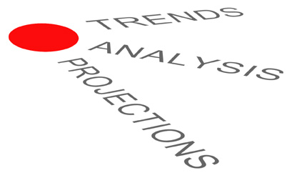
 |  | Report: | Peer Set Benchmarking TAP Report
 |  | Report for: | Vancouver
 |  | Period Ending: | 2015-11-30
 |  | Report Date: | 2015-12-16

For More Information Contact: | Jeff Eastman
 | President & CEO
 | Trends, Analysis, Projections, LLC
 | 12313 West 125th Terrace
 | Overland Park, KS 66213
 | Phone: 913-261-8465
 | Cell: 913-961-3875

